Info
Info om Kitron | Guiding:
 | Connectivity | Forventer > 10% vekst i 25 og 20% i 26 på bakgrunn av at markedet kommer bra tilbke
Electronics manufacturing services (EMS) | Electrification | Reduksjon på 7% i 25 og vekst på 25% i 26. Electricity transmission og maritim electrification fortsettter å vokse og står for over 50% av 25 salg
Delt inn i 5 segmenter: | Industry | Flat i 25 og 15% vekst i 26
Connectivity | Medical devices | Sektorveksten blir påvirket av end-of-life av en stor produktloinje
Electrification | Defence/aerospace
Industry
Medical devices
Defence/aerospace | Medium-term ambition

Topp 3 kunder står for underkant av 20% av salget til Kitron | 1 milliard euro i inntekter
Dens største kunder inkluderer Kongsberg Gruppen, Husqvarna, Hitachi, HMS Networks, ABB og Inmotion. | EBIT-margin: 9%
Selv om vi forstår at deres rangering kan variere, er de 5–6 største kundene stort sett uendret over tid
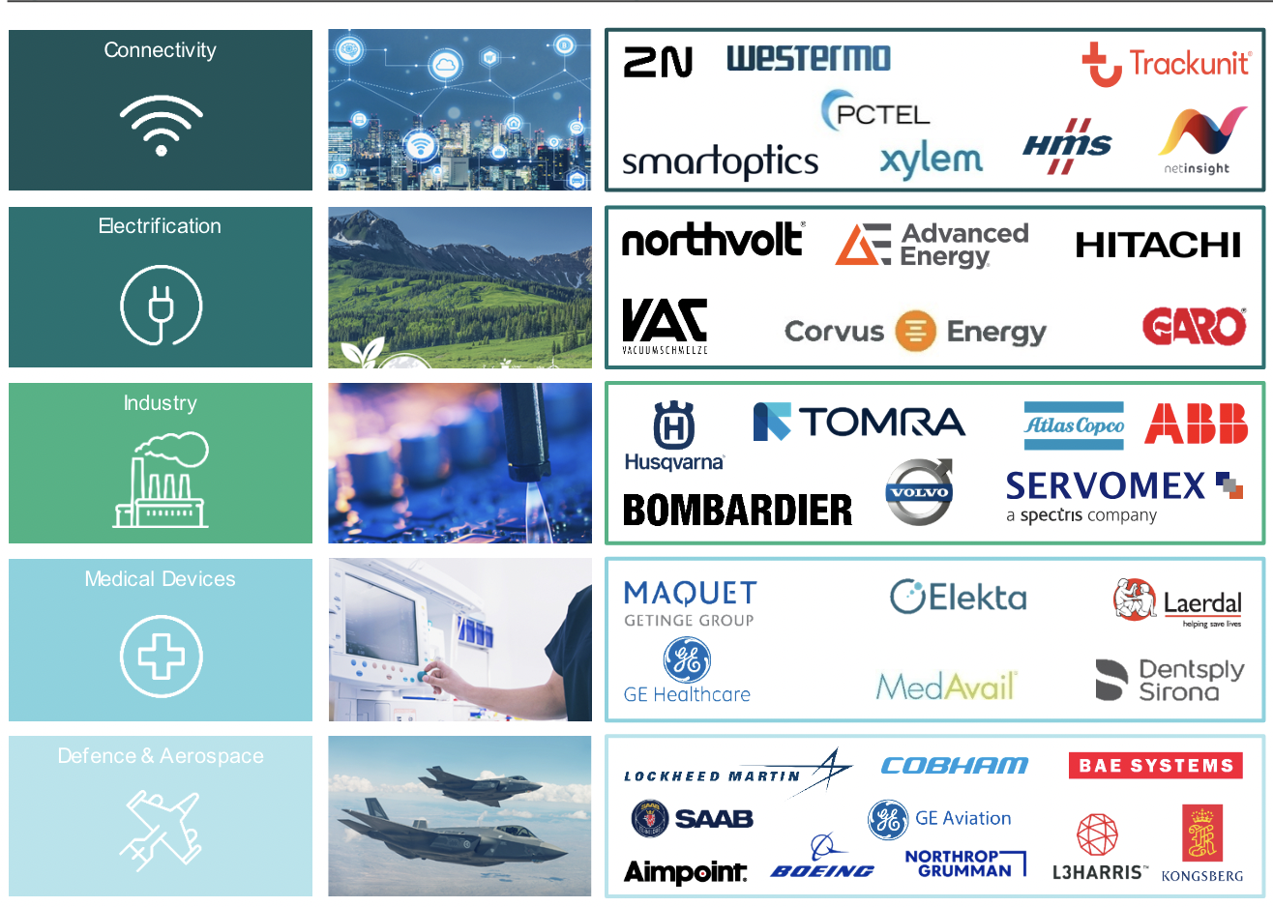
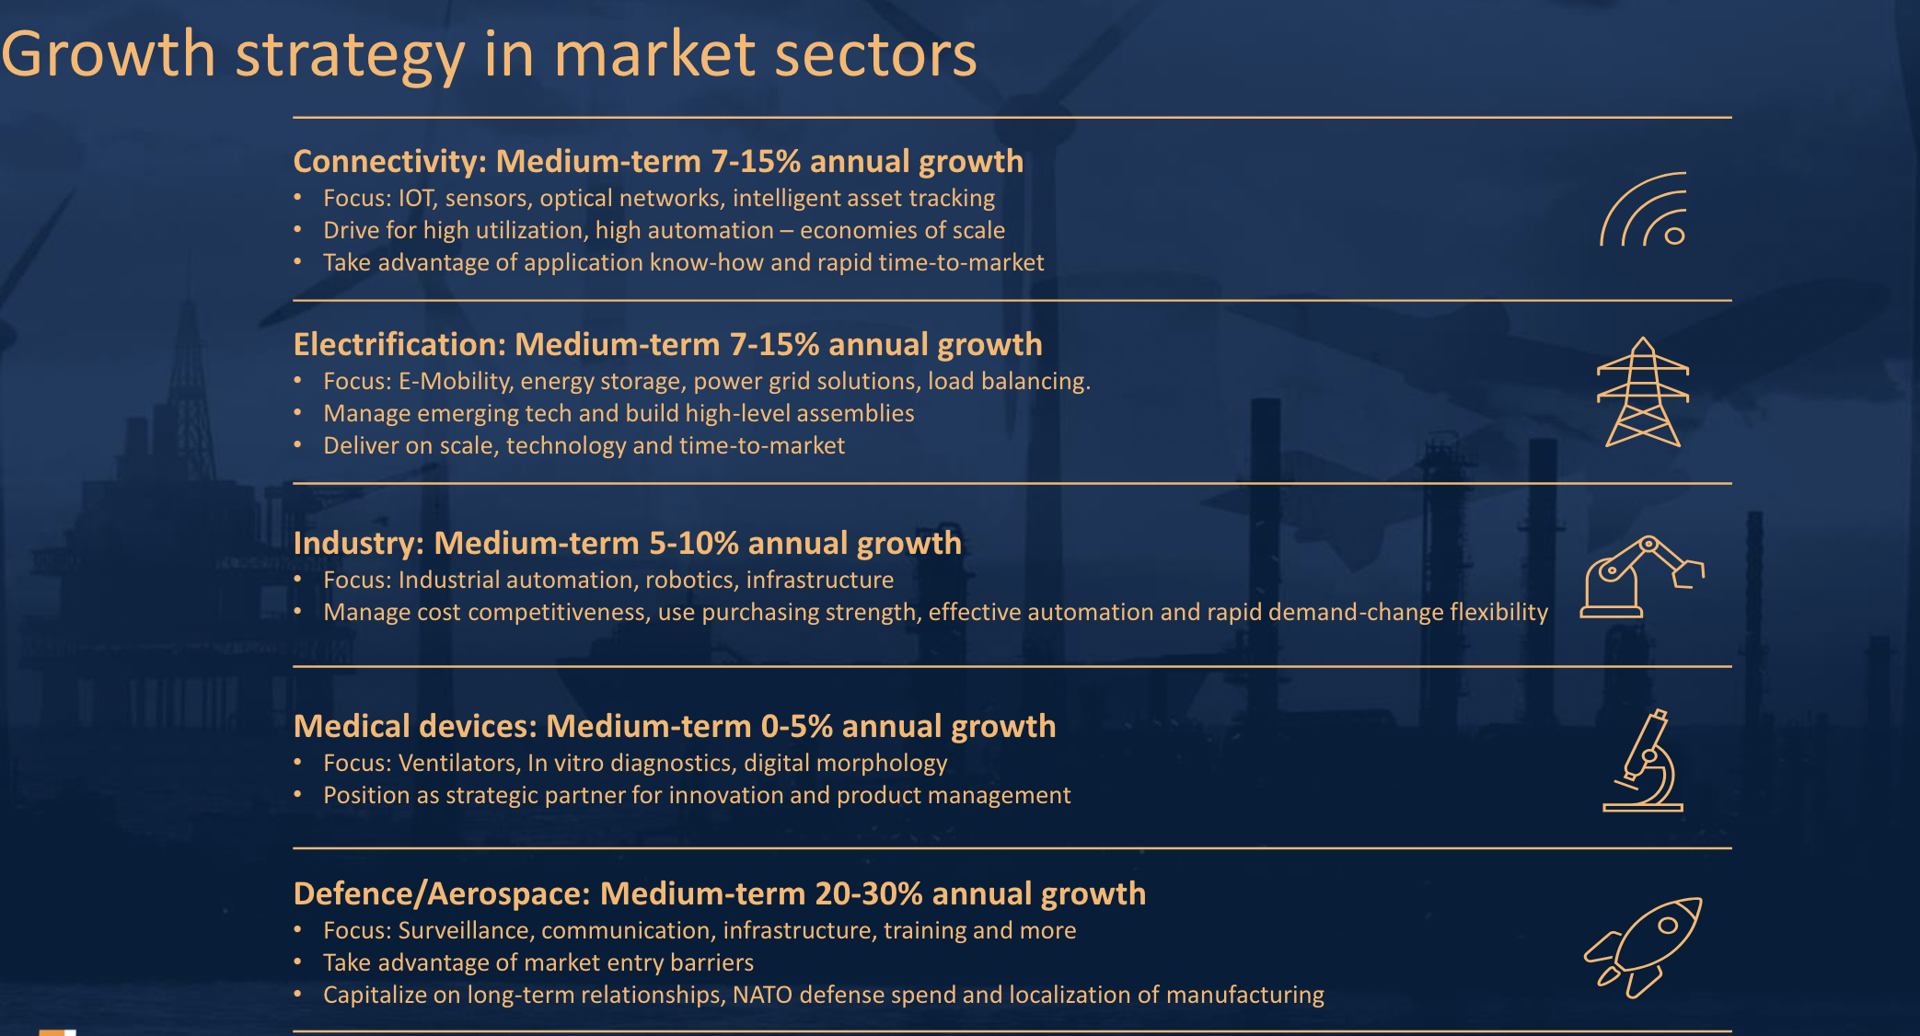

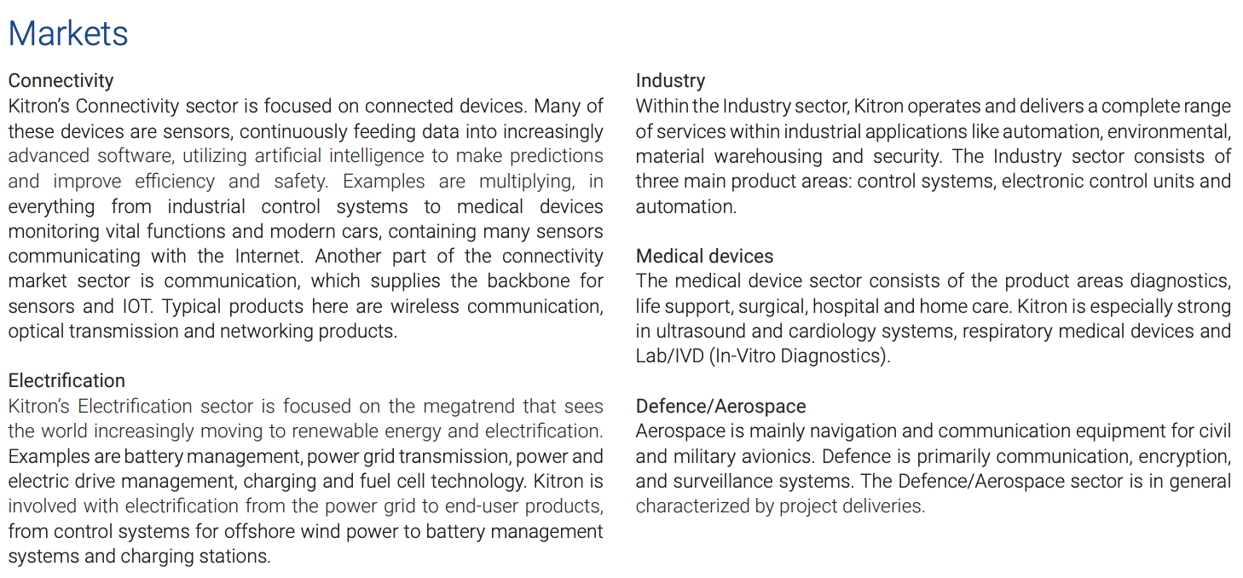

 |  |  | Guidance 2025:
 |  |  | Revenue: | 640-710
 |  |  | EBIT: | 47-65

Segementer
EURm | Q122 | Q222 | Q322 | Q422 | 2022 | Q123 | Q223 | Q323 | Q423 | 2023 | Q124 | Q224 | Q324 | Q424 | 2024 | Q125 | Q225 | Q325 | Q425 | 2025
Connectivity
Revenue | 31.7 | 39.1 | 36.7 | 36.8 | 144.29 | 34.1 | 36 | 37.6 | 32.5 | 140.2 | 27.7 | 29.3 | 33.3 | 31 | 121.3 | 26.5 |  |  |  | 26.5
Growth Y/Y |  |  |  |  |  | 7.6 % | -7.9 % | 2.5 % | -11.7 % | -2.8 % | -18.8 % | -18.6 % | -11.4 % | -4.6 % | -13.5 % | -4.3 % | -100.0 % | -100.0 % | -100.0 % | -78.2 %
Order backlog |  |  |  |  |  | 81 | 72.8 | 51.8 | 48 |  | 68.4 | 67.4 | 53.6 | 61.2 |  | 61.3
Q/Q |  |  |  |  |  |  | -10.1 % | -28.8 % | -7.3 % |  | 42.5 % | -1.5 % | -20.5 % | 14.2 % |  | 0.2 % | -100.0 % | #DIV/0! | #DIV/0!
Electrification
Revenue | 25.7 | 23.5 | 27.2 | 37.4 | 113.8 | 57.4 | 63.7 | 60.2 | 63.9 | 245.2 | 51.2 | 47.3 | 36.9 | 43.7 | 179.1 | 41.8 |  |  |  | 41.8
Growth Y/Y |  |  |  |  |  | 123.3 % | 171.1 % | 121.3 % | 70.9 % | 115.5 % | -10.8 % | -25.7 % | -38.7 % | -31.6 % | -27.0 % | -18.4 % | -100.0 % | -100.0 % | -100.0 % | -76.7 %
Order backlog |  |  |  |  |  | 210.4 | 193.4 | 178.3 | 174.4 |  | 149.6 | 145.1 | 157 | 137.1 |  | 143.6
Q/Q |  |  |  |  |  |  | -8.1 % | -7.8 % | -2.2 % |  | -14.2 % | -3.0 % | 8.2 % | -12.7 % |  | 4.7 % | -100.0 % | #DIV/0! | #DIV/0!
Industry
Revenue | 33.5 | 39.3 | 45.8 | 43.8 | 162.38 | 53.8 | 62.6 | 44 | 50.8 | 211.2 | 45.6 | 38.5 | 32.6 | 33.9 | 150.6 | 41.1 |  |  |  | 41.1
Growth Y/Y |  |  |  |  |  | 60.7 % | 59.3 % | -3.9 % | 16.0 % | 30.1 % | -15.2 % | -38.5 % | -25.9 % | -33.3 % | -28.7 % | -9.9 % | -100.0 % | -100.0 % | -100.0 % | -72.7 %
Order backlog |  |  |  |  |  | 134 | 120.7 | 110.5 | 93.2 |  | 75 | 59.3 | 63.4 | 64.6 |  | 65
Q/Q |  |  |  |  |  |  | -9.9 % | -8.5 % | -15.7 % |  | -19.5 % | -20.9 % | 6.9 % | 1.9 % |  | 0.6 % | -100.0 % | #DIV/0! | #DIV/0!
Medical devices
Revenue | 13.8 | 17.7 | 17.4 | 15.5 | 64.4 | 19.4 | 17.6 | 13.9 | 15.7 | 66.6 | 15.3 | 15.5 | 14.9 | 13.8 | 59.5 | 11.4 |  |  |  | 11.4
Growth Y/Y |  |  |  |  |  | 40.6 % | -0.6 % | -20.1 % | 1.3 % | 3.4 % | -21.1 % | -11.9 % | 7.2 % | -12.1 % | -10.7 % | -25.5 % | -100.0 % | -100.0 % | -100.0 % | -80.8 %
Order backlog |  |  |  |  |  | 31 | 25.9 | 27.7 | 22.2 |  | 20.1 | 20.1 | 20.3 | 17.4 |  | 18.9
Q/Q |  |  |  |  |  |  | -16.5 % | 6.9 % | -19.9 % |  | -9.5 % | 0.0 % | 1.0 % | -14.3 % |  | 8.6 % | -100.0 % | #DIV/0! | #DIV/0!
Aerospace/defence
Revenue | 17 | 15 | 14.7 | 21 | 67.7 | 25.9 | 26.4 | 23.4 | 36.1 | 111.8 | 34 | 37 | 27.4 | 38.3 | 136.7 | 43.8 |  |  |  | 43.8
Growth Y/Y |  |  |  |  |  | 52.4 % | 76.0 % | 59.2 % | 71.9 % | 65.1 % | 31.3 % | 40.2 % | 17.1 % | 6.1 % | 22.3 % | 28.8 % | -100.0 % | -100.0 % | -100.0 % | -68.0 %
Order backlog |  |  |  |  |  | 129.5 | 122.1 | 133.8 | 155.8 |  | 131.8 | 162.7 | 163.4 | 191.6 |  | 235.8
Q/Q |  |  |  |  |  |  | -5.7 % | 9.6 % | 16.4 % |  | -15.4 % | 23.4 % | 0.4 % | 17.3 % |  | 23.1 % | -100.0 % | #DIV/0! | #DIV/0!
Total % av total | 121.7 | 134.6 | 141.8 | 154.5 | 553 | 190.6 | 206.3 | 179.1 | 199.0 | 775 | 173.8 | 167.6 | 145.1 | 160.7 | 647 | 164.6 | 0.0 | 0.0 | 0.0 | 165
Connectivity | 26.0 % | 29.0 % | 25.9 % | 23.8 % | 26.1 % | 17.9 % | 17.5 % | 21.0 % | 16.3 % | 18.1 % | 15.9 % | 17.5 % | 22.9 % | 19.3 % | 18.7 % | 16.1 % | #DIV/0! | #DIV/0! | #DIV/0! | 16.1 %
Electrification | 21.1 % | 17.5 % | 19.2 % | 24.2 % | 20.6 % | 30.1 % | 30.9 % | 33.6 % | 32.1 % | 31.6 % | 29.5 % | 28.2 % | 25.4 % | 27.2 % | 27.7 % | 25.4 % | #DIV/0! | #DIV/0! | #DIV/0! | 25.4 %
Industry | 27.5 % | 29.2 % | 32.3 % | 28.3 % | 29.4 % | 28.2 % | 30.3 % | 24.6 % | 25.5 % | 27.3 % | 26.2 % | 23.0 % | 22.5 % | 21.1 % | 23.3 % | 25.0 % | #DIV/0! | #DIV/0! | #DIV/0! | 25.0 %
Medical devices | 11.3 % | 13.2 % | 12.3 % | 10.0 % | 11.7 % | 10.2 % | 8.5 % | 7.8 % | 7.9 % | 8.6 % | 8.8 % | 9.2 % | 10.3 % | 8.6 % | 9.2 % | 6.9 % | #DIV/0! | #DIV/0! | #DIV/0! | 6.9 %
Aerospace/defence | 14.0 % | 11.1 % | 10.4 % | 13.6 % | 12.3 % | 13.6 % | 12.8 % | 13.1 % | 18.1 % | 14.4 % | 19.6 % | 22.1 % | 18.9 % | 23.8 % | 21.1 % | 26.6 % | #DIV/0! | #DIV/0! | #DIV/0! | 26.6 %

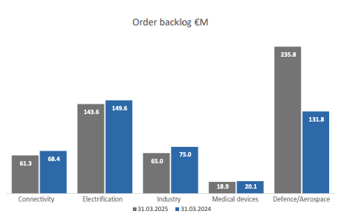

 |  |  |  |  |  |  |  |  |  |  |  |  | Q125

